Instructions
Instructions
This workbook contains a template to track staff time by Grant and Activity Category. Entering the information asked for on the template automatically sets up the time tracking sheets (labeled "Employee X," "Employee XX," etc.) for each individual employee. At the end of the workbook, the summary sheet gathers the hours and billing rates and calculates the expense. Managers should enter the information on the Template and Summary Sheets. Employees should enter the information on the individual employee worksheets.

1
2
TEMPLATE
1 | Enter the calendar year.
2 |  Enter the tasks to be tracked (e.g., General Administration) and the grants to be tracked (e.g., Local Water Management). Label grants by Grant Program and Fiscal Year. List the eLINK Activity Categories (e.g., Administration/Coordination, Monitoring/Data Collection, Project Development) to be tracked to each grant.

EMPLOYEE (X-XXXXX)
3 | Enter the employee's name.
4 | Enter hours worked, under the appropriate categories. Hours entered here should equal the hours paid.
5 | Sign and date, at the end of each pay period.
3
5

4

SUMMARY
6 | Enter the billing rate for each employee associated with the hours recorded. The total column then shows the cost to be charged and reported to each grant or activity tracked, where Cost = Hours x Billing Rate.
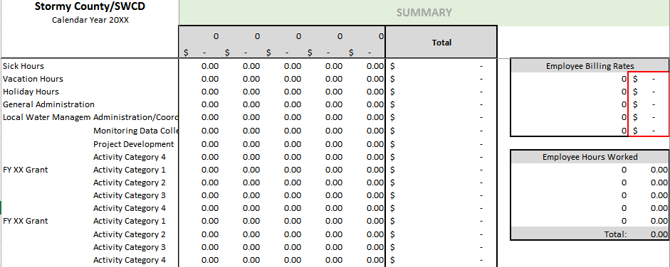

6

